Title
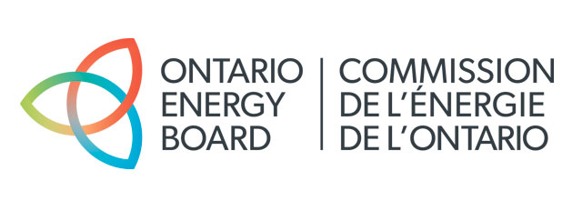
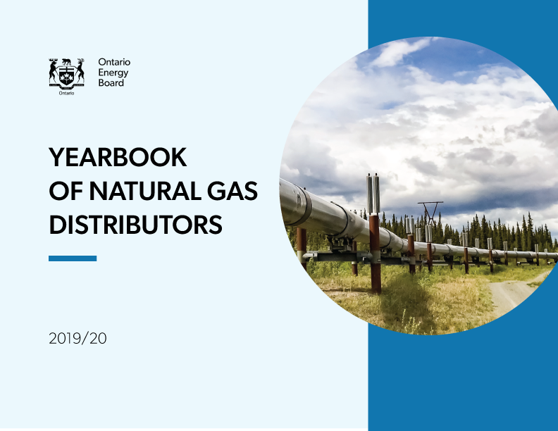

 | 2019



 |  | Yearbook of

Gas Distributors

Published on August 10, 2020

Balance Sheet Graphs
Long-Term Debt & Equity
 | Long Term Debt | Equity
2015 | 7.0 | 4.5
2016 | 7.2 | 5.0
2017 | 7.6 | 5.4
2018 | 8.2 | 4.9
2019 | 8.5 | 10.0
3B
3B
3B
3B
3B
3B
3B
3B
3B
3B
3B
Net Property Plant and Equipment by Distributor
 | Net PP&E
Enbdridge Gas | 15.42
EPCOR Natural Gas | 0.02
Net Property Plant and Equipment
 | Net PP&E
2015 | 12.8
2016 | 14.0
2017 | 15.3
2018 | 15.0
2019 | 15.4

Income Statement Graphs
Net Income
 | Net Income
2015 | 422
2016 | 434
2017 | 482
2018 | 565
2019 | 557
Total Gas Cost, Operating and Maintenance Expense
 | Total Expenses
2015 | 4.1
2016 | 3.3
2017 | 4.1
2018 | 3.9
2019 | 3.5

Ratios Graphs
Current Ratio (Current Assets/Current Liabilities)
 | Current
2015 | 0.82
2016 | 0.67
2017 | 0.64
2018 | 0.84
2019 | 0.75
7B
7B
Debt Ratio (Total Debt/Total Assets)
 | Debt
2015 | 0.48
2016 | 0.47
2017 | 0.48
2018 | 0.50
2019 | 0.40
Debt to Equity Ratio (Total Debt/Equity)
 | Debt to Equity
2015 | 1.77
2016 | 1.69
2017 | 1.74
2018 | 1.86
2019 | 0.98
Interest Coverage (EBIT/Interest Charges)
 | Interest Coverage
2015 | 2.25
2016 | 2.19
2017 | 2.15
2018 | 2.59
2019 | 2.53
Financial Statement Return on Assets (Net Income/Total Assets)
 | Return on Assets
2015 | 2.51%
2016 | 2.40%
2017 | 2.47%
2018 | 3.08%
2019 | 2.26%
Financial Statement Return on Equity (Net Income/Shareholders' Equity)
 | Return on Equity
2015 | 9.31%
2016 | 8.69%
2017 | 8.93%
2018 | 11.45%
2019 | 5.57%

General Graphs
Number of Customers
Enbdridge Gas | 3,708,043
EPCOR Natural Gas | 9,356
Gas Volumes in million cubic meters
Enbdridge Gas | 26,609
EPCOR Natural Gas | 95

