Title
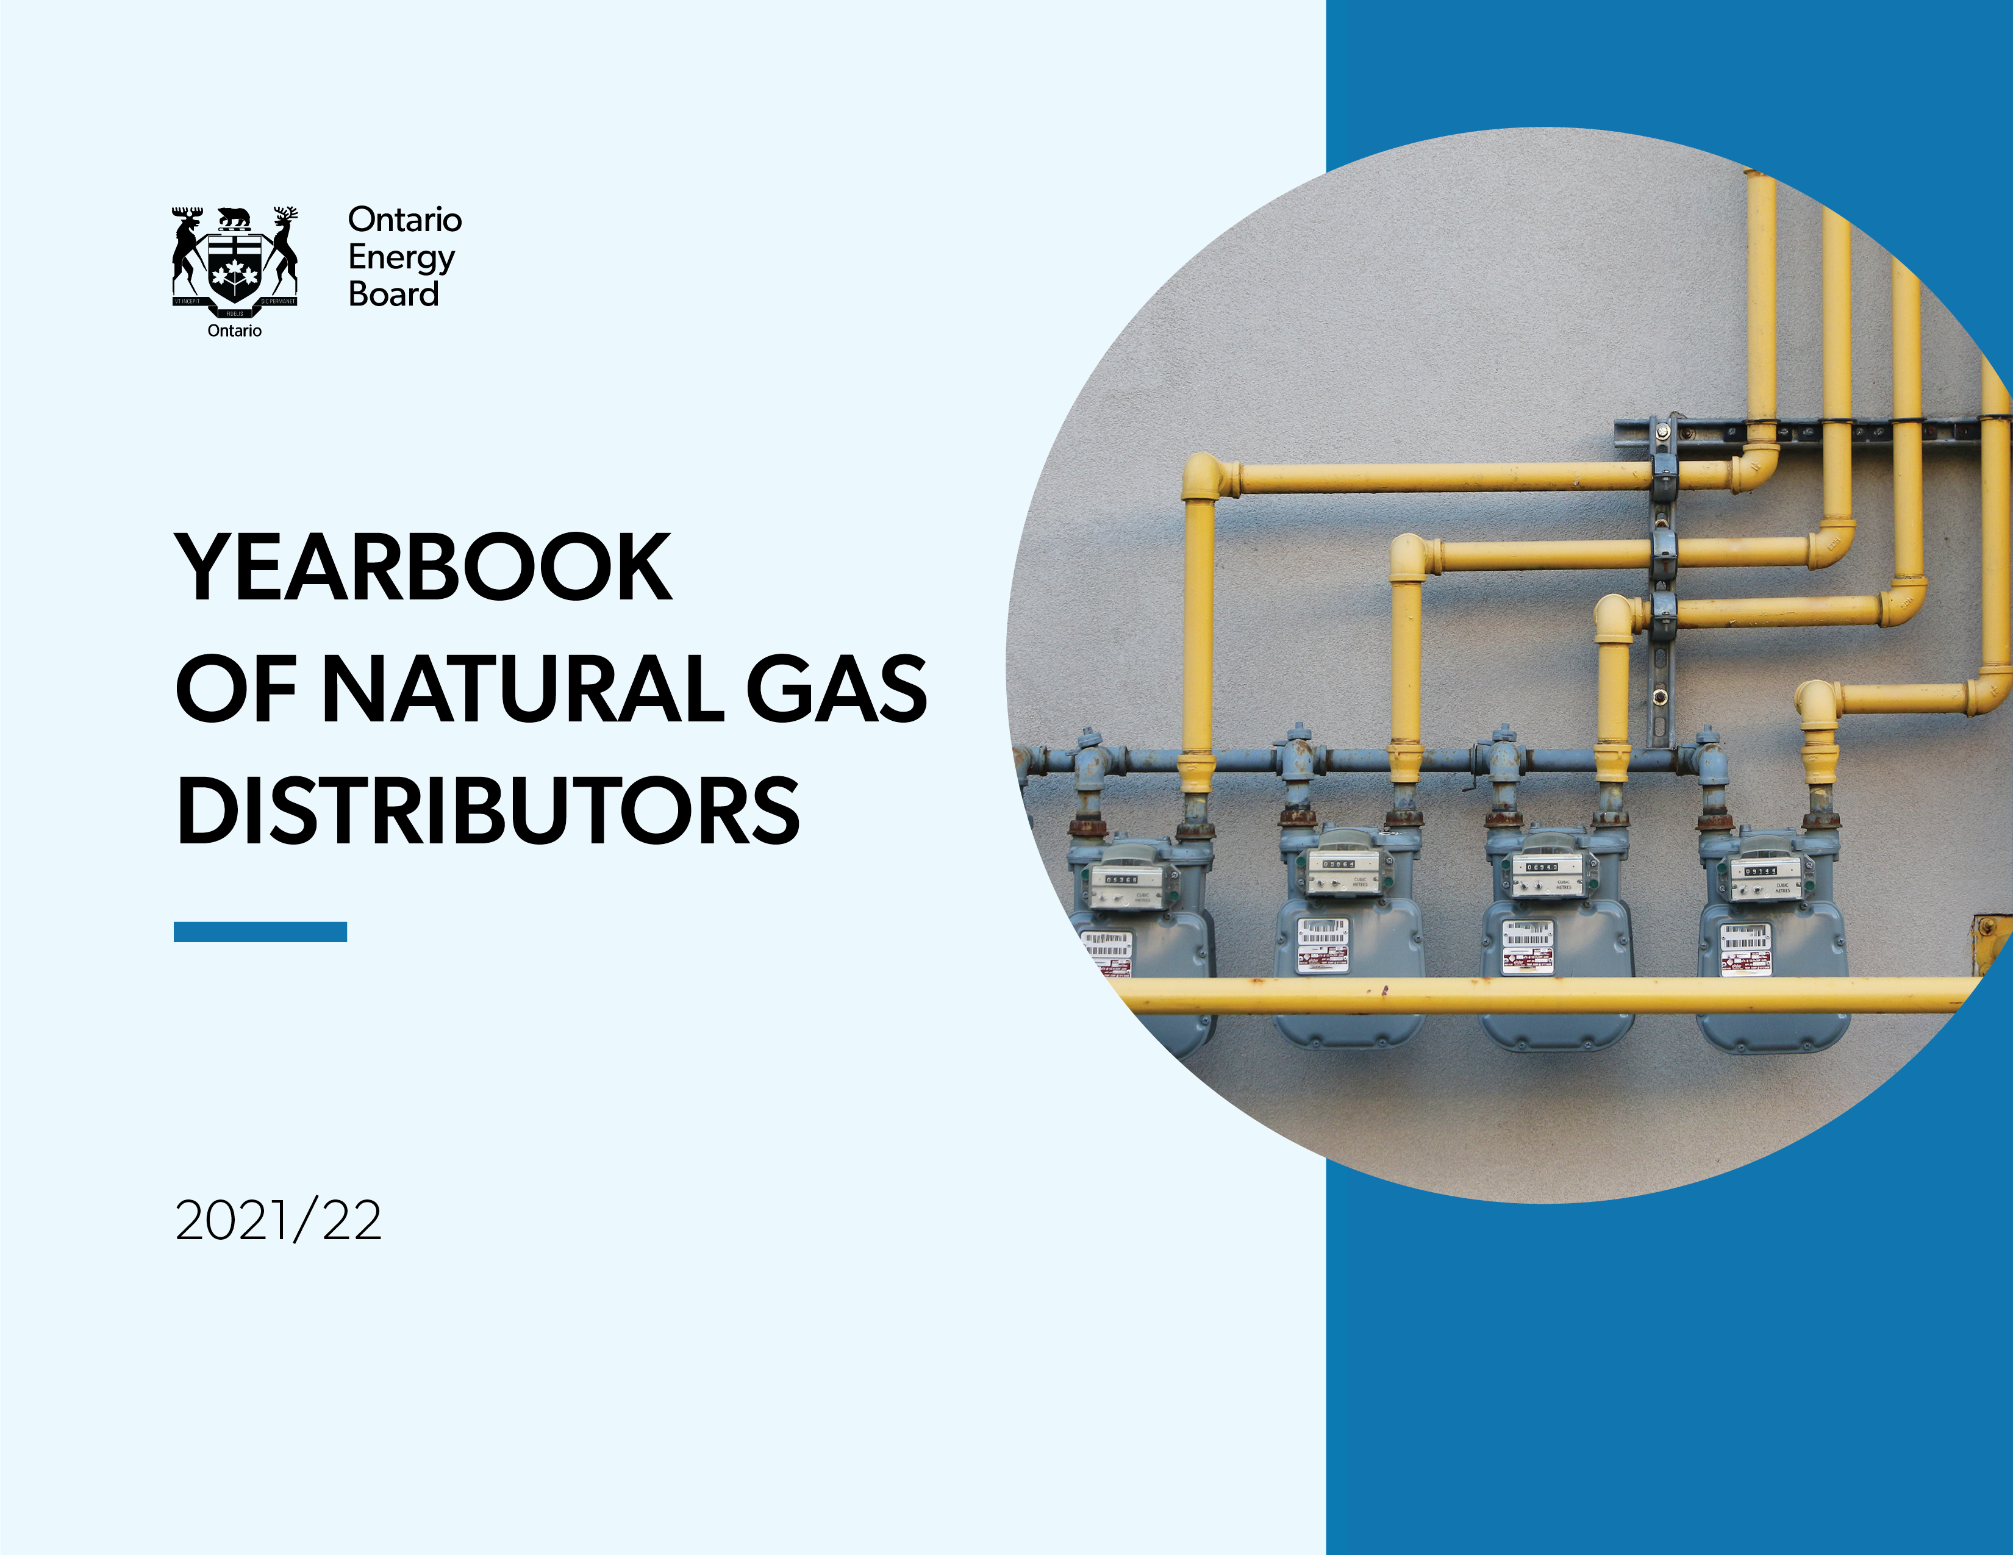

Balance Sheet Graphs
Long-Term Debt & Equity
 | Long Term Debt | Equity
2017 | 7.5814319634 | 5.3915135651
2018 | 8.1541754161 | 4.9362334731
2019 | 8.513993606 | 10.011121865
2020 | 8.690794853 | 10.038111405
2021 | 9.4471651865 | 10.383370039
3B
3B
3B
3B
3B
3B
3B
3B
3B
3B
3B
Net Property Plant and Equipment by Distributor
Enbdridge Gas | 16.661687725
EPCOR Natural Gas | 0.08964915507
Net Property Plant and Equipment
2017 | 15.312793338
2018 | 15.037654293
2019 | 15.433279142
2020 | 15.933314956
2021 | 16.75133688

n

Income Statement Graphs
Net Income
2017 | 481.66526326
2018 | 565.37939867
2019 | 557.15080618
2020 | 495.22812541
2021 | 548.75902114
Total Gas Cost, Operating and Maintenance Expense
2017 | 4.050734331
2018 | 3.8747812989
2019 | 3.4581349925
2020 | 2.9645310664
2021 | 3.2704602188

Ratios Graphs
Current Ratio (Current Assets/Current Liabilities)
2017 | 0.64479278402
2018 | 0.84428134719
2019 | 0.74596644933
2020 | 0.65429438303
2021 | 0.71274620549
7B
7B
Debt Ratio (Total Debt/Total Assets)
2017 | 0.48129468918
2018 | 0.49899577361
2019 | 0.39727420737
2020 | 0.40247797216
2021 | 0.41553130832
Debt to Equity Ratio (Total Debt/Equity)
2017 | 1.7425596605
2018 | 1.8557787103
2019 | 0.98012478977
2020 | 1.0149574917
2021 | 1.067920768
Interest Coverage (EBIT/Interest Charges)
2017 | 2.1537809335
2018 | 2.5916411498
2019 | 2.5291273606
2020 | 2.3347047492
2021 | 2.5413332509
Financial Statement Return on Assets (Net Income/Total Assets)
2017 | 0.024675049818
2018 | 0.030797464693
2019 | 0.022557917882
2020 | 0.019563544966
2021 | 0.02056402202
Financial Statement Return on Equity (Net Income/Shareholders' Equity)
2017 | 0.089337670664
2018 | 0.11453659997
2019 | 0.0556531839
2020 | 0.049334790723
2021 | 0.052849799159

General Graphs
Number of Customers
Enbdridge Gas | 3802561
EPCOR Natural Gas | 11425
Gas Volumes in million cubic meters
Enbdridge Gas | 25366
EPCOR Natural Gas | 95.858

Total Number of Customers
 | Total Customers
2017 | 3.653986
2018 | 3.701403
2019 | 3.717399
2020 | 3.740847
2021 | 3.813986
Annual Gas Volumes in million cubic meters
 | Total Volumes
2017 | 24532.97235
2018 | 26088.4691
2019 | 26704.418
2020 | 25064.637
2021 | 25461.858

