Cover
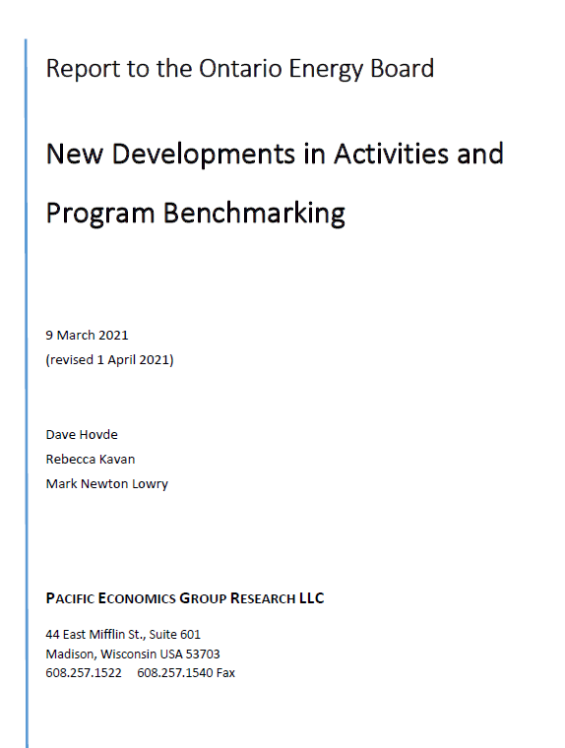
Tables for the PEG Report to the Ontario Energy Board "New Developments in Activities and Program Benchmarking"

This file contains the tables in Excel format for the PEG Report to the OEB as revised on April 1, 2021 and May 11, 2021. A table of contents is provided.
The tables are contained in individual tabs organized sequentially (by unit cost, econometric benchmarking and parameter estimates) for ease of use.

